Dry Clean Articles Derm
Scenario:
Dry Cleaned Articles (dermal)
Data Type:
Dermal Model (Inputs and Outputs - scroll down for full calculations)

Inputs
A_DER2 Equation From CEM Guide (Pg 64-65)
Model Source: A_DER2 Equation From Page 64-65 of User Guide

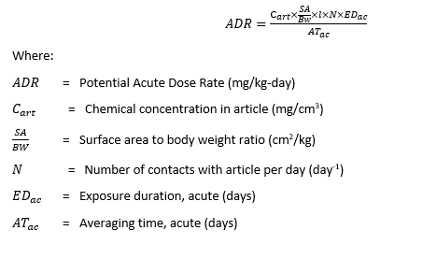
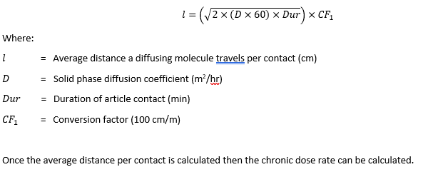

Example Calculation: Potential Acute Dose Rate
ADR = (Cart * SABW * L * N * EDac) / ATac
ADR = | 0.9898 | mg/kg-day
Input | Value | Units | Comment | Source
Cart | 0.11 | mg/cm3 | Cart = Residual Mass (mg/m2)* CF (m2/10,000 cm2) / Article thickness (cm) | n/a
where:
Residual Mass | 105.20 | mg/m2 | Residual PERC released from dry-cleaned garment (1 m2) during 10 hours of garment wear, starting 1 day after dry-cleaning event, based on presumed 2nd and 3rd generation dry cleaning technology | Calculated using chamber/test house data from Tichenor, 1990.
Article Thickness | 0.100 | cm | Value in CEM Guide is not described, but literature search on fabric thickness indcates that 0.1 cm is a reasonable estimate. | CEM Model / Delmaar 2013 / various sources listed in PCE Consumer Supplemental
SABW | 245.9 | cm2/kg | CEM default for adult (mean, full-body) | CEM User Guide, Exposure Factors Handbook
l | 3.83E-02 | cm | l = SQRT(2*D (m2/h) /60*DUR (min))*CF (100 cm/m) | Simplified diffusion model equation in CEM Model, originating from Delmaar et al. 2013.
where:
D | 7.32E-09 | m2/h | Average of experimentally determined Dm for clothing based on reference compounds | Cao et al. 2017
where:
MW | 165.82
DUR = | 600 | min | 10 hours of contact during a standard 8-hr workday, including breaks and commute time. DUR = 10 hr * CF (60 min/hr) | Professional judgment
N | 1 | day-1 | User wears one dry cleaned garment per day | Professional judgment
EDac | 1 | days | Exposure duration, Acute
ATac | 1 | days | Averaging time, Acute

Calculator and Outputs
Input Values | Units | Dry Cleaned Article Dermal Exposure Scenarios
 |  | assumed 2nd/3rd generation technology, single cleaning event, 1 day after cleaning | assumed 2nd/3rd generation technology, single cleaning event, 2 days after cleaning | assumed 2nd/3rd generation technology, single cleaning event, 3 days after cleaning | assumed 4th/5th generation technology, single cleaning event, 1 day after cleaning | assumed 4th/5th generation technology, single cleaning event, 2 days after cleaning | assumed 4th/5th generation technology, single cleaning event, 3 days after cleaning | assumed 4th/5th generation technology, repeat cleaning events, 1 day after cleaning | assumed 4th/5th generation technology, repeat cleaning events, 2 days after cleaning | assumed 4th/5th generation technology, repeat cleaning events, 3 days after cleaning
Cart Half-Body | mg/cm3 | 0.11 | 0.08 | 0.06 | 0.02 | 0.01 | 0.01 | 0.06 | 0.04 | 0.03
Cart Full-Body | mg/cm3 | 0.16 | 0.12 | 0.09 | 0.03 | 0.02 | 0.02 | 0.09 | 0.07 | 0.05
where:
Residual Mass (Tichenor et al 1990) 1st-3rd generation machine estimate | mg/m2 | 105.20 | 80.79 | 62.05
Residual Mass (Sherlach et al 2011) 4th and 5th generation machine estimate | mg/m3 |  |  |  | 18.42 | 14.15 | 10.86 | 58.41 | 44.86 | 34.45
where:
Fabric Surface Area (half-body) | m2 | 1.000 | 1.000 | 1.000 | 1.000 | 1.000 | 1.000 | 1.000 | 1.000 | 1.000
Fabric Surface Area (full-body) | m3 | 1.500 | 1.500 | 1.500 | 1.500 | 1.500 | 1.500 | 1.500 | 1.500 | 1.500
Article Thickness | cm | 0.100 | 0.100 | 0.100 | 0.100 | 0.100 | 0.100 | 0.100 | 0.100 | 0.100
SABW (Adult, half-body) | cm2/kg | 122.9 | 122.9 | 122.9 | 122.9 | 122.9 | 122.9 | 122.9 | 122.9 | 122.9
SABW (Adult, full-body) | cm2/kg | 245.9 | 245.9 | 245.9 | 245.9 | 245.9 | 245.9 | 245.9 | 245.9 | 245.9
l | cm | 3.83E-02 | 3.83E-02 | 3.83E-02 | 3.83E-02 | 3.83E-02 | 3.83E-02 | 3.83E-02 | 3.83E-02 | 3.83E-02
where:
D | m2/h | 7.32E-09 | 7.32E-09 | 7.32E-09 | 7.32E-09 | 7.32E-09 | 7.32E-09 | 7.32E-09 | 7.32E-09 | 7.32E-09
where:
MW | unitless | 165.82 | 165.82 | 165.82 | 165.82 | 165.82 | 165.82 | 165.82 | 165.82 | 165.82
DUR = | min | 600 | 600 | 600 | 600 | 600 | 600 | 600 | 600 | 600
N | day-1 | 1 | 1 | 1 | 1 | 1 | 1 | 1 | 1 | 1
EDac | days | 1 | 1 | 1 | 1 | 1 | 1 | 1 | 1 | 1
ATac | days | 1 | 1 | 1 | 1 | 1 | 1 | 1 | 1 | 1
ADR (Half-Body) | mg/kg-day | 4.95E-01 | 3.80E-01 | 2.92E-01 | 8.66E-02 | 6.65E-02 | 5.11E-02 | 2.75E-01 | 2.11E-01 | 1.62E-01
ADR (Full-Body) | mg/kg-day | 1.48E+00 | 1.14E+00 | 8.76E-01 | 2.60E-01 | 2.00E-01 | 1.53E-01 | 8.24E-01 | 6.33E-01 | 4.86E-01

