Summary Plots
Disposal Method | Total Weight (lbs) | Total Volume (ft3)
Garbage | 0 | 0
Recycled | 0 | 0
Compost | 0 | 0
Total | 0 | 0

Material Type | Item Count
Plastic | 0
Foam | 0
Paper | 0
Glass | 0
Metal | 0
Tires | 0
Large | 0
Chemicals | 0
Medical | 0
Other/Mixed | 0
Total Items Found | 0

Industry | Industry Sum
Food & Beverage | 0
Retail, Food & Beverage | 0
Retail | 0
Automotive | 0
Smoking | 0
Home & Office | 0
Fishing | 0
Illegal dumping | 0
Recreation | 0
Other/ Unknown | 0
Total Items Found | 0

Packaging or Product
Condition of Escaped Trash
Packaging or Products | Packaging or Product Sum
Packaging | 0
Service Ware | 0
Product | 0
Unknown | 0
Total Items Found | 0

Item condition
Intact/ Un-fouled | 0
Degraded/ Heavily Fouled | 0
Total Items: | 0

Field Reference Sheet
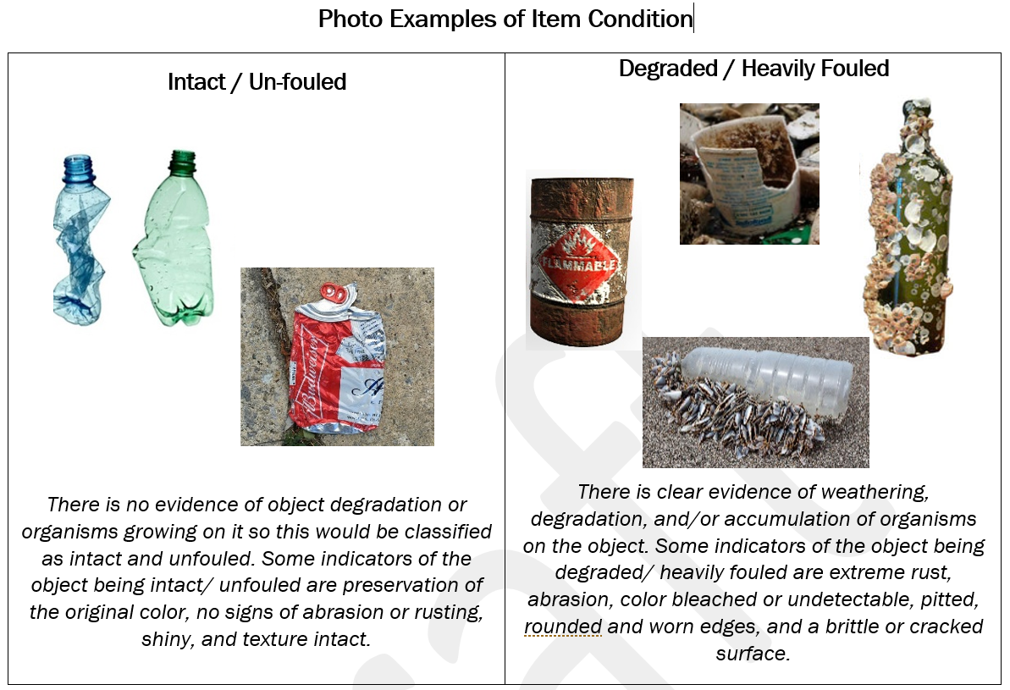
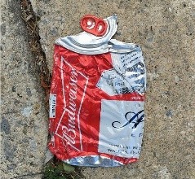
Group | Item Type | Descriptions
Plastic | Bottles & Containers | Plastic bottles and jugs of any size or resin. Examples include plastic bottles and jugs for soda, water, sports drinks, juice, tea, milk, wine coolers, and liquor bottles. Includes bottles labelled “compostable” or “bio-based.”
Plastic | Straws & Stirrers | Plastic drinking straws and stirrers. Includes “compostable” or “bio-based.”
Plastic | Bottle Caps & Tabs | Loose plastic bottle caps, plastic pull tabs, lids, and seals made of plastic, used in the packaging/sealing of beverage containers. Does not include bottle caps that are still on a beverage bottle.
Plastic | Beverage rings | Beverage packaging rings to hold soft drinks or beer cans. Examples: 4-pack, 6-pack, 8-pack, & 12-pack beverage rings commonly used for canned or bottled beverages.
Plastic | Food Wrappers & Snack Bags | Wrappings or bags used to package food, such as wrappers for candy and gum, snack bags, chip bags, zipper-closeable bags, condiment packets, and produce bags. Includes wrappers labelled “compostable” or “bio-based.” Does not include pouches (see PLASTIC: Food & Drink Pouches).
Plastic | Food & Drink Pouches | Plastic pouches made of thicker, multi-layer flexible material. May have a flat bottom so that package would stand up on its own, but not always. Material is thicker than potato chip bags. Examples include plastic coffee packages; juice pouches; baby food pouches with or without plastic screw top; soup pouches; salad dressing pouches; wine pouches; and backpacking meals in pouches.
Plastic | Cups | Includes plastic cups of all sizes other than foam.
Plastic | Lids | Plastic lids from plastic tubs and containers, such as cottage cheese, yogurt, butter, etc.
Plastic | Utensils | Plastic forks, knives, and spoons.
Plastic | Plates & Bowls | Plastic plates and bowls of all sizes other than foam.
Plastic | Clamshells | Hinged plastic (not foam) take-out containers of any size that open like the shell of a clam.
Plastic | Grocery & Retail Bags | Plastic shopping bags used to contain merchandise, given out by the store or restaurant with the purchase (including dry cleaning bags). This type does not include full bags of trash (see "OTHER: Whole Bags of Mixed Trash"). Includes bags labelled “compostable” or “bio-based.”
Plastic | Small Fragments (1 tally = 1 cup) | Film or hard plastic pieces of unknown origin less than 2.5 cm in their longest dimension. If less than 1 cup of fragments are found record one tally *If you want to collect and count microplastic pieces (<5mm in size) using this protocol, we suggest that you use a write-in space.
Plastic | Other Plastic | Plastic that cannot be put in any other category. Includes film/flexible plastic other than grocery and retail bags (see PLASTIC: Grocery & Retail Bags) and balloons (see “OTHER: Balloons”). Includes durable plastic products other than toys and games (see "OTHER: Recreation"), and furniture (see "OTHER: Furniture & Carpet"). Examples include salad dressing bottles, condiment bottles, butter, yogurt, and cottage cheese tubs, buckets, laundry baskets, totes, garbage cans, flower pots, and plastic pipes; and film products such as agricultural film (films used in various farming and growing applications, such as silage greenhouse films, mulch films, and wrap for hay bales), plastic sheeting used as drop cloths, plastic mailing pouches, shrink-wrap, and bubble wrap. Includes items labelled “compostable” or “bio-based.” Does not include any personal care products or bottles (see "OTHER: Toiletries/personal hygiene").
Foam | Cups | Foam (also known as expanded polystyrene or styrofoam) cups of all sizes.
Foam | Plates & Bowls | Foam Plates and Bowls of all sizes.
Foam | Clamshells | Hinged foam take-out containers of any size that open like the shell of a clam.
Foam | Other Foam (1 tally = 1 cup small pieces) | All other foam items, including foam ice chests, foam packing peanuts and other product packing foam, and foam used for home food packaging such as foam meat trays and egg cartons.
Paper | Cardboard | Cardboard has a center wavy layer sandwiched between two outer layers. Examples include entire cardboard containers, such as shipping and moving boxes, computer packaging cartons, and sheets and pieces of boxes and cartons. This category does not include chipboard boxes such as cereal boxes or tissue boxes (see "PAPER: Other Paper").
Paper | Bags | Paper Bags made from kraft paper. Paper may be brown (unbleached) or white (bleached). Examples include paper grocery bags, fast food bags, and department store bags.
Paper | Newspaper, Junk Mail, Receipts & Office Paper | Paper used for newspapers, receipts, white ledger and other office paper, magazines and catalogs, glossy inserts, stapled college class schedules, manila envelopes, junk mail, carbonless forms, catalogs, and brochures. Does not include hardback or paperback books or telephone directories (see “PAPER: Other Paper”).
Paper | Cups | Paper cups, often lined with either plastic or wax, such as to-go coffee cups.
Paper | Beverage & Food Cartons | Gable-top containers such as milk cartons and orange juice cartons, and aseptic containers used for products like soy milk, coconut water, or soup. These are often paper containers lined with plastic.
Paper | Other Paper | Items made mostly of paper that do not fit into any of the above types. Examples include tissue boxes, paperboard boxes for software, self-adhesive notes, hard cover and paperback books, telephone directories, sepia, carbon paper, photographs, sheets of paper, stick-on labels, and paper mailing envelopes lined with bubble wrap or plastic, plates, bowls, paper straws, paper and waxed paper wrappings, wooden stirrers, cup and beverage holders, napkins or paper towels, and pizza boxes, cereal boxes, cardboard egg cartons, ice cream cartons and other frozen food boxes, and boxes used to hold 6 or more individual beverages.
Glass | Bottles, Jars & Containers | Glass bottles, jars, or containers of any size or color designed to contain beverages such as beer, wine, wine coolers, liquor, soda, water, tea, juice, sports & health drinks or contains food such as, pickles, olives, mayonnaise, jam, and sauces.
Glass | Small Fragments & Other Glass (1 tally = 1 cup) | Glass products that do not fit into another category, or that are not distinguishable by type of product. Fragments less than 2.5 cm in their longest dimension.
Metal | Bottles, Cans & Containers | Metal bottles, cans or containers of any size designed to contain beverages such as beer, juice or soda; also includes canned food and pet food.
Metal | Bottle Caps & Tabs | Pull tabs, bottle caps, lids, and seals made of metal and used in the packaging/sealing of metal beverage containers.
Metal | Other Metal | Products made entirely from metal or predominantly metal products that do not fit into any other category. Includes items such as metal clothes hangers, metal pipes, aluminum tin foil, and small appliances comprised mainly of metal such as toasters and hair dryers. Does not include electronics such as microwaves (see “OTHER: Batteries & Electronics”), or major appliances such as refrigerators (see “OTHER: Appliances”).
Fishing | Hooks, Lures, & Floats | Includes fishing hooks, lures, bouys, & floats.
Fishing | Traps & Trap Parts | Traps used to catch crabs, lobster, fish, or other organisms.
Fishing | Nets & Ropes (1 tally = 1 foot) | Nets and ropes. 1 tally = 1 continuous foot. Example: 5 continuous feet of rope equals 5 tallies.
Fishing | Fishing Line (1 tally = 1 foot) | 1 tally = 1 continuous foot of fishing line
Fishing | Tangled Fishing Line Bundles (1 tally = 1 square foot) | Tangled bundle of fishing line larger than 1 square foot in size
Fishing | Other | Fishing related items that do not fit into other fishing categories
Automotive | Tires | Includes tires from all types of automotive vehicles and all sizes.
Automotive | Other | All motorized vehicle related items other than tires, including hubcaps, tailpipes, batteries used for motorized vehicles, motor oil and other vehicle fluids, rearview mirrors, lights, or window glass known to be from an automobile or other motorized vehicle, and whole auto-bodies, trucks, trailers, and truck cabs.
Smoking | Cigarettes & Cannabis | Discarded ends, pieces or filters of cigarettes, cigars and cannabis products, unsmoked items, chewing tobacco, pipe tobacco, matches, matchbooks and packaging for tobacco and cannabis products such as paper boxes, plastic or foil wrappings, or other materials used to package cigarettes, cigars, cannabis, chewing or pipe tobacco, including individual cigarette packages and unused cigarette papers. Spent smokeless tobacco is included.
Smoking | E-Cigarettes & Vaping | Includes all e-cigarette and vaping items.
Smoking | Lighters | Includes lighters of all types and sizes.
Other | Chemical, Paint & Other Hazardous | Examples include latex paint, oil-based paint, spray paint, stains and varnishes, pesticides, caustic cleaners, fluorescent and LED bulbs/lamps, and mercury-containing items such as thermostats and thermometers. This category includes empty containers of these materials. This category does not include motor oil and other vehicle fluids (see "Automotive: Others").
Other | Batteries & Electronics | Electronics and e-related materials such as cell phones, portable electronic book readers, tablets, laptop computers, computer games and other electronic toys, CD players, camcorders, digital cameras, cell phone and other device chargers, microwaves, stereos, VCRs, DVD players, radios, audio/visual equipment, keyboards, printers, televisions, computers and computer monitors, tapes, CDs, DVDs and batteries of all types, including lithium batteries.
Other | Building Materials | Includes brick, concrete, gypsum board, fiberglass insulation, roofing waste, asphalt, lumber, plywood, pallets, nails, screws, toilets, sinks, carpet, and other building and infrastructure related materials. Other ceramic can be included here as well, such as ceramic dishware and garden pottery. (For light bulbs/lamps, see “OTHER: Chemical, Paint & Other Hazardous.”)
Other | Furniture & Carpet | All large and hard-to-handle items not defined elsewhere, including furniture, mattresses, carpet, lawn furniture, and box springs.
Other | Appliances | Includes large appliances such as refrigerators, dishwashers, stoves, and dryers. This category does not include electronics such as stereos or microwaves (see OTHER: Batteries & Electronics").
Other | Medical Waste, Sharps, & Biohazardous | Medical waste includes needles, syringes, I.V. tubing, medications, ointments, creams, nutritional supplements such as vitamins, etc. used to heal or supplement the nutrition of people or animals. Also includes medicine and medical equipment packaging.
Other | Textiles, Clothing & Shoes | Items made of thread, yarn, fabric, cloth, or rubber. Examples include clothes, fabric trimmings, draperies, leather belts, flip flops, and bathroom rugs. This type does not include furniture, carpet, or mattresses (see "OTHER: Furniture & Carpet").
Other | Toiletries/ Personal Hygiene | Bottles and containers of health care products such as cosmetics, shampoo, hair care styling products, lotion, personal hygiene products such as toothbrushes and toothpaste, pads and tampons, diapers, make-up sponges, gloves, and condoms.
Other | Balloons | Balloons made of all types of materials.
Other | Toys, Sports, & Rec Equipment | Includes balls of all types, frisbees, sporting equipment of all types, other toys of all shapes and sizes, non-automotive bicycles, scooters, and tricycles.
Other | Whole Bags of Mixed Trash | Whole, closed bags of trash of any size. We do not ask you to open and sort the waste.
Write in | Write in | Use this category to track any other specific item included in a broader category above or otherwise not included here, if you desire.
Write in | Write in | Use this category to track any other specific item included in a broader category above or otherwise not included here, if you desire.
Write in | Write in | Use this category to track any other specific item included in a broader category above or otherwise not included here, if you desire.
Write in | Write in | Use this category to track any other specific item included in a broader category above or otherwise not included here, if you desire.
Write in | Write in | Use this category to track any other specific item included in a broader category above or otherwise not included here, if you desire.

