Read Me
Introduction
The NMP occupational risk calculator was generated to provide reviewers with a snapshot of NMP risk to workers for occupational exposure scenarios assessed in the Final Risk Evaluation for NMP. The "Summary" tab in this worksheet provides a summary of risk estimates (i.e., margin of exposure (MOE) estimates) from acute and chronic exposures to workers and occupational non-users (ONUs) by conditions of use. The remaining tabs provide parameter input values and internal blood levels of NMP estimated using a human physiologically based pharmacokinetic (PBPK) model for each occupational exposure scenario. Additional details regarding the analysis plan for quantifying occupational risks of NMP are provided below and are summarized in Figure 1.

Overview of Analysis Plan for Quantifying Occupational Risks of NMP (Figure 1).
Step 1. Occupational Exposure Assessment (see Section 2.4.1 of the Final Risk Evaluation for NMP for more information) EPA evaluated acute and chronic exposures to workers and occupational non-users (ONUs) associated with dermal contact with liquids (workers only), vapor-through-skin, and inhalation routes association with NMP use in industrial and commercial applications (Table 2-2 of the Final Risk Evaluation outlines the considered conditions of use (COUs)). When available, EPA used air concentration data and estimates found in government or published literature sources to serve as inputs for the validated human physiologically based pharmacokinetic (PBPK) model. When air concentration data were not available, modeling estimates were used. Additional dermal and inhalation exposure parameters (i.e., skin surface area, inhalation rate, mass of product used, weight fraction of NMP in product, etc.) used in each of the assessed occupational exposure scenarios are summarized in Section 2.4.1 of the Final Risk Evaluation for NMP. Duration-based NMP exposure concentrations (mg/m3) and additional dermal and inhalation exposure parameters for each occupational exposure scenario were used as input parameters for the validated human PBPK model. The PBPK model was used to predict the human internal serum dose (i.e., Cmax (mg/L) and area under the curve (AUC, hr mg/L)) of NMP through combined routes of exposure (i.e., inhalation, dermal, and vapor-through-skin). Further details regarding the human PBPK model can be found in Appendix J of the Risk Evaluation for NMP.
Step 2. Dose-response Assessment (see Section 3.2.5 of the Final Risk Evaluation for NMP for more details) Following a review of the human health hazards of NMP, EPA determined several effects observed in rodent toxicology studies to be sensitive and biologically relevant. These effects included developmental (i.e., decreased fetal/pup weight, increased fetal/pup mortality, skeletal malformations) and reproductive (i.e., reduced male and female fertility) endpoints, and were considered for points of departure (POD) and dose-response analysis. EPA used a validated rat PBPK model (see Appendix J of the Final Risk Evaluation for NMP) to extrapolate administered doses of NMP (e.g., mg/kg-day for oral studies) to an internal serum level (i.e., Cmax (mg/L) and area under the curve (AUC, hr mg/L). EPA's Benchmark Dose (BMD) Software was then used to conduct BMD modeling based on internal serum doses predicted by the rat PBPK model. Rat internal dose PODs (i.e., the lower 95% confidence limit of the BMD or BMDL) were then calculated for each modeled health endpoint. EPA calculated a BMDL of 437 mg/L (dose metric: Cmax) based on post-implantation losses for use as the acute POD, while a BMDL of 183 hr mg/L (dose metric: AUC) based on reduced male fertility was calculated for use as the chronic POD (see Section 3.2.5.6 of the Final Risk Evaluation for NMP). | 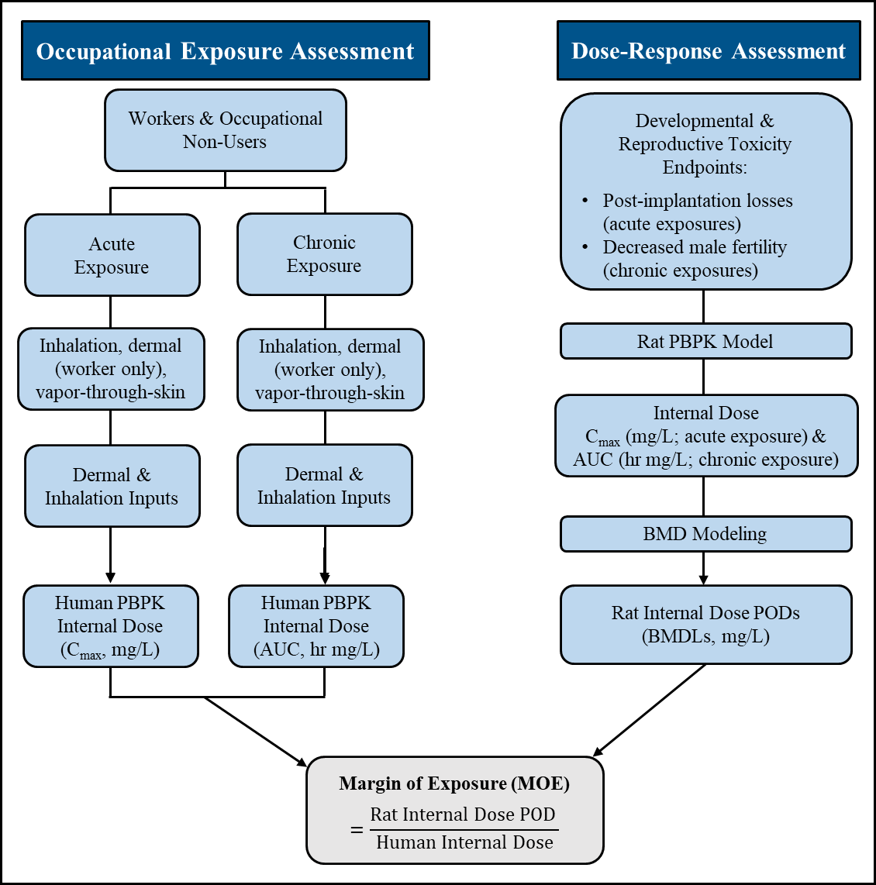
Step 3. Risk Calculations (see Section 4.2 of the Final Risk Evaluation for NMP for more details) EPA used a margin of exposure (MOE) approach to estimate non-cancer risks for each exposure scenario. For each exposure scenario, MOEs were calculated by taking the ratio of the internal dose POD to the human internal dose. Cmax was used as the dose metric for acute exposure scenarios, while AUC was used as the dose metric for chronic exposure scenarios. Calculated MOEs were then compared to the benchmark MOE of 30. An MOE less than the benchmark MOE indicates that the occupational use scenario may present an unreasonable risk of injury to health, while an MOE greater than the benchmark MOE indicates that the occupational use scenario may not present an unreasonable risk of injury to health. | Figure 1. Schematic of analysis plan for quantifying occupational risks of NMP.

