Attachment 1
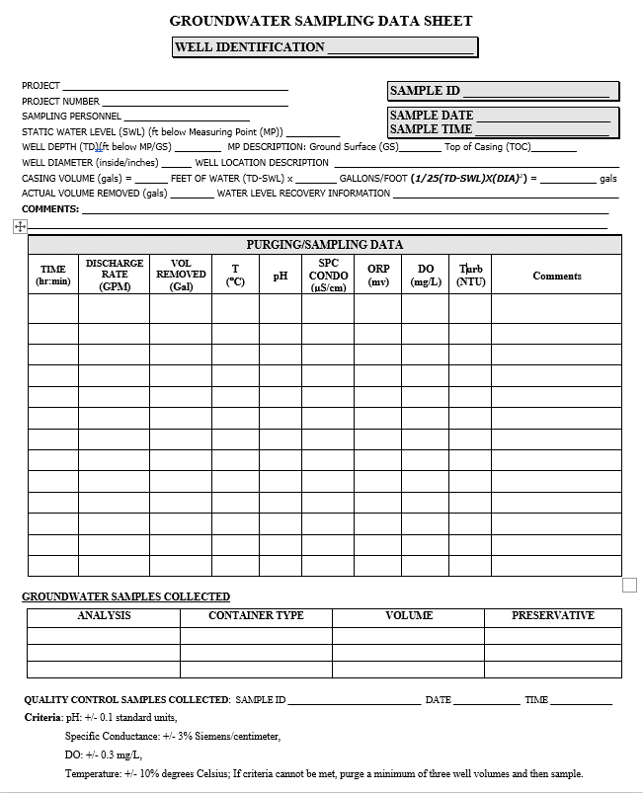
Attachment 1. Groundwater Well Sampling Datasheet

