CO2 Emission Factors
Regional Grid Carbon Dioxide Avoided Emission Factors

The EPA developed a set of regional emission factors based on the AVoided Emissions and geneRation Tool (AVERT). The factors can be used to evaluate the carbon dioxide (CO2) emissions avoided at electric power plants by renewable energy policies and programs, such as LFG energy. This LMOP LFG Energy Benefits Calculator uses AVERT values for year 2022. See the map below of AVERT regions to determine the appropriate region for the LFG energy project location for which you are calculating emission reductions and environmental and energy benefits. As an alternative to a regional value, you may select the national average value which reflects a weighted average of the avoided emission rates of AVERT's 14 regions. Averages are weighted by the fraction of 2022 fossil generation in each region. Note, when using an emission factor for future years (i.e., 2023 to 2027), any retirements or additions that may take place in that future year are not included the calculation. AVERT factors are not available for Alaska, Hawaii or the U.S. Territories. More information about AVERT is available at:

https://www.epa.gov/avert/avoided-emission-rates-generated-avert
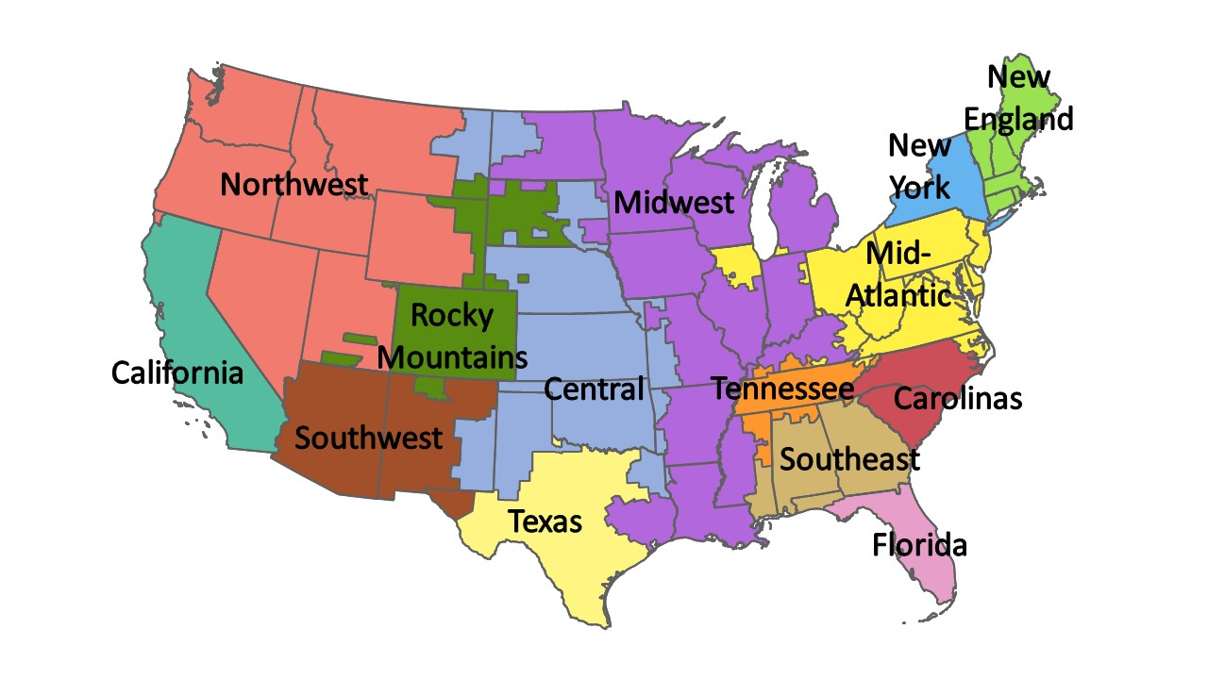
AVERT Region | 2022 Avoided CO2 Rate (lbs/MWh, Uniform EE)
California | 1,069
Carolinas | 1,434
Central | 1,823
Florida | 1,069
Mid-Atlantic | 1,482
Midwest | 1,677
New England | 1,110
New York | 1,110
Northwest | 1,480
Rocky Mountains | 1,890
Southeast | 1,369
Southwest | 1,332
Tennessee | 1,372
Texas | 1,207
National Average | 1,438

These LFG electricity avoided emission factors are based on the AVERT factors for Uniform Energy Efficiency (EE). Uniform EE is a local (distributed) energy resource that replaces centrally generated power and the factors include an upward adjustment to account for avoided line loss. These factors represent consistent energy savings throughout the year. Similarly, most LFG electricity projects are a local distribution-level resource that provides a constant energy savings.

